PN to Jitter
CALCULATION OF PHASE JITTER USING PHASE NOISE DATA |  |  |  |  |  |  |  |  |  |  |  |  |  | PHASE NOISE PLOT
Phase Noise Plot
 | Measured PN |  | Intergration area
1 | -80.00 | 12,000 | -200
10 | -90.00 | 5,000,000 | -200
100 | -100.00
1,000 | -110.00
10,000 | -120.00
100,000 | -130.00
1,000,000 | -140.00
20,000,000 | -150.00
 |  | Enter Oscillator Frequency | 48,000,000 | Hz

 |  |  | Enter | Enter Measured | Difference | Integrated | Average | Phase Noise | Jitter | Jitter | Jitter | Jitter^2 | Include in
 |  |  | Frequency | Phase Noise | [Hz] | Phase Noise | Phase Noise | [dB] | Radians | [s] | [ps] | [pS^2] | Jitter
 |  |  | Offset [Hz] | [dBc/Hz] |  | [dBc] | [dBc] |  |  |  |  |  | Calc
 | 1 | 1 | 1 | -80.00 |  |  |  |  |  |  |  |  | No
 | 1 | 1 | 10 | -90.00 | 9 | 9.542 | -85.000 | -75.46 | 2.3858E-04 | 7.9107E-13 | 0.79107042237 | 6.26E-01 | No
 | 1 | 1 | 100 | -100.00 | 90 | 19.542 | -95.000 | -75.46 | 2.3858E-04 | 7.9107E-13 | 0.79107042237 | 6.26E-01 | No
 | 1 | 1 | 1,000 | -110.00 | 900 | 29.542 | -105.000 | -75.46 | 2.3858E-04 | 7.9107E-13 | 7.9107E-01 | 6.26E-01 | No
 | 1 | 1 | 10,000 | -120.00 | 9,000 | 39.542 | -115.000 | -75.46 | 2.3858E-04 | 7.9107E-13 | 0.79107042237 | 6.26E-01 | No
 | 1 | 1 | 100,000 | -130.00 | 90,000 | 49.542 | -125.000 | -75.46 | 2.3858E-04 | 7.9107E-13 | 0.79107042237 | 6.26E-01 | Yes
 | 1 | 1 | 1,000,000 | -140.00 | 900,000 | 59.542 | -135.000 | -75.46 | 2.3858E-04 | 7.9107E-13 | 0.79107042237 | 6.26E-01 | Yes
 | 0 | 1 | 20,000,000 | -150.00 | 19,000,000 | 72.788 | -145.000 | -72.21 | 3.4665E-04 | 1.1494E-12 | 1.1493986761 | 1.32E+00 | No

 | Intergration Bandwidth
 | Start | 12,000 | Hz | -120.22 | 2,000 | 33 | -120 | -87 | 6.2442E-05 | 2.0704E-13 | 2.0704E-01 | 4.29E-02 | Yes
 | Stop | 5,000,000 | Hz | -142.11 | 4,000,000 | 66 | -141 | -75 | 2.5056E-04 | 8.3079E-13 | 0.83079200557 | 6.90E-01 | Yes

 |  |  |  |  |  |  |  |  | Total RMS Phase Jitter | 1.408782 | ps

 |  |  |  |  |  |  |  |  | Total RMS Phase Jitter | 1408.78 | fs

 |  |  |  | Adjust the values in cells D1 to E19. Do not leave gaps in the rows. The Start and Stop values of the Intergration bandwidth must be within the minimum and maximum values of the data set.

Example
CALCULATION OF PHASE JITTER USING PHASE NOISE DATA |  |  |  |  |  |  |  |  |  |  |  |  |  | PHASE NOISE PLOT
Phase Noise Plot
 | Measured PN |  | Intergration area
1 |  | 12,000 | -200
10 | -73.50 | 5,000,000 | -200
100 | -101.80
1,000 | -125.90
10,000 | -139.00
100,000 | -145.50
1,000,000 | -150.20
20,000,000 | -160.00
 |  | Enter Oscillator Frequency | 48,000,000 | Hz

 |  |  | Enter | Enter Measured | Difference | Integrated | Average | Phase Noise | Jitter | Jitter | Jitter | Jitter^2 | Include in
 |  |  | Frequency | Phase Noise | [Hz] | Phase Noise | Phase Noise | [dB] | Radians | [s] | [ps] | [pS^2] | Jitter
 |  |  | Offset [Hz] | [dBc/Hz] |  | [dBc] | [dBc] |  |  |  |  |  | Calc
 | 1 | 0 | 1 |  |  |  |  |  |  |  |  |  | No
 | 1 | 1 | 10 | -73.50 | 9 | 9.542 | -73.500 | -63.96 | 8.9668E-04 | 2.9731E-12 | 2.9731385415 | 8.84E+00 | No
 | 1 | 1 | 100 | -101.80 | 90 | 19.542 | -87.650 | -68.11 | 5.5608E-04 | 1.8438E-12 | 1.8438056728 | 3.40E+00 | No
 | 1 | 1 | 1,000 | -125.90 | 900 | 29.542 | -113.850 | -84.31 | 8.6126E-05 | 2.8557E-13 | 2.8557E-01 | 8.16E-02 | No
 | 1 | 1 | 10,000 | -139.00 | 9,000 | 39.542 | -132.450 | -92.91 | 3.1999E-05 | 1.0610E-13 | 0.10609994208 | 1.13E-02 | No
 | 1 | 1 | 100,000 | -145.50 | 90,000 | 49.542 | -142.250 | -92.71 | 3.2744E-05 | 1.0857E-13 | 0.10857132721 | 1.18E-02 | Yes
 | 1 | 1 | 1,000,000 | -150.20 | 900,000 | 59.542 | -147.850 | -88.31 | 5.4342E-05 | 1.8018E-13 | 0.18018355316 | 3.25E-02 | Yes
 | 0 | 1 | 20,000,000 | -160.00 | 19,000,000 | 72.788 | -155.100 | -82.31 | 1.0837E-04 | 3.5931E-13 | 0.3593111486 | 1.29E-01 | Yes

 | Intergration Bandwidth
 | Start | 12,000 | Hz | -139.14 | 2,000 | 33 | -139 | -106 | 7.0375E-06 | 2.3334E-14 | 2.3334E-02 | 5.44E-04 | Yes
 | Stop | 20,000,000 | Hz | 0.00 | 0 | 0 | -80 | -80 | 1.4142E-04 | 4.6891E-13 | 0.468914748 | 2.20E-01 | No

 |  |  |  |  |  |  |  |  | Total RMS Phase Jitter | 0.417017 | ps

 |  |  |  |  |  |  |  |  | Total RMS Phase Jitter | 417.02 | fs

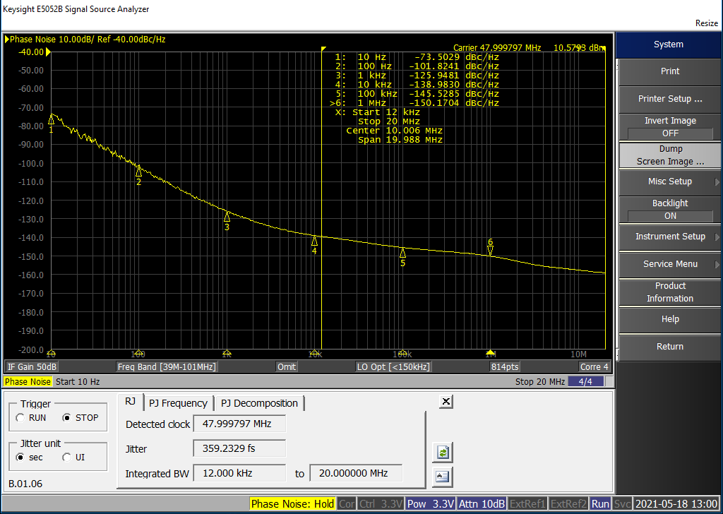
 |  |  |  | In this example, it can be seen that there is a difference between the calculated jitter from the seven data points on the spreadsheet vs the calculated jitter from the full phase noise plot observed on an E5052 measurement system. This offset is caused by the assumption of a straight line between the measured points in the calculation. It is interesting to observe the effect of changing phase noise values by one or 2 dBc/Hz. This is a variation which is commonly observed on repeating measurements when using phase noise measurement instruments. In particular, if the averaging and cross correlation windows are optimised for short measurement time.

